Analysis Tab
SECTION 3: DATA ANALYSIS TASKS
3.1 Descriptive Analysis

3.2 Trend Identification

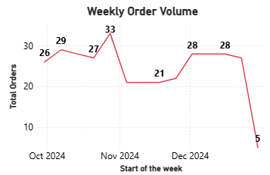
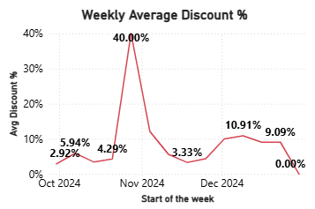
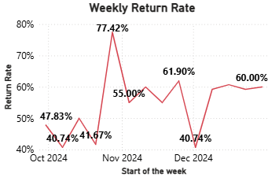

Questions to Answer:
Was there a noticeable spike during Diwali week (Oct 28 - Nov 3)?
Yes, but it was a downward spike. The number of orders decreased in the diwali week.
There was a noticeable decline in orders during Diwali Week (28 Oct – 4 Nov)

Did return rates lag behind order spikes by 2-3 weeks (as returns take time)?
Yes, there is slight increase in return 2 weeks after 28 Oct week order spike
Return rates lagged behind the declined orders by 2 weeks

Did heavy discounting correlate with higher return rates?
As returns lags by 2-3 weeks, heavy discount of 10% increased returns, while heavy discounting of 40% is also correlated with returns

3.3 Segmentation Analysis
Segment A: Customer Type

Which segment is more profitable after accounting for returns?

 |  | New customers generate more revenue after the returns, hence new customers are more profitable

Segment B: Order Source

Which channel has the best return rate? Highest AOV?
Website has the lowest return rate, while instagram has the highest return rate
Instagram shop has the highest AOV

Segment C: Payment Method
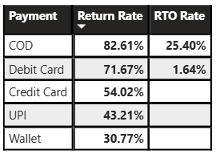

Is COD (Cash on Delivery) associated with higher return/RTO rates compared to prepaid methods?
Yes, COD has highest return rate, and high RTO rates compared to prepaid methods

Segment D: Product Category
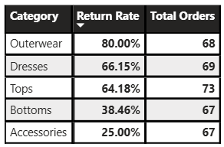

Which category has the highest return rate?
Outerwear category has the highest return rate

Is this category also high-volume or is it a smaller, problematic segment?
All the categories have similar count of orders, and Outerwear category has highest return rate, but not highly problematic segment

3.4 KPI Calculation
KPI | Definition | Calculation
Gross Merchandise Value (GMV) | Total order value before discounts | Gross Merchandise Value (GMV) = SUM('Data'[Order Total])
Net Revenue | GMV minus total discounts | Total Revenue = SUMX( 'Data', 'Data'[Unit Price] * 'Data'[Qty] * (1 - 'Data'[Disc %]/100))
Return Rate | Proportion of delivered orders with return initiated | Return Rate = DIVIDE ( [Returned Orders], [Delivered Orders] )
RTO Rate | Share of orders marked as Return to Origin | RTO Rate = DIVIDE([RTO Orders], [Total Orders])
Refund Processing Rate | Percentage of refunds successfully processed | Refund Processing Rate = CALCULATE( DISTINCTCOUNT('Data'[Order ID]), 'Data'[Refund] = "Processed") / COUNTA('Data'[Ret Rec])
First-Time Buyer Return Rate | Return rate among new customers | First-Time Buyer Return Rate = CALCULATE( [Returned Orders] / [Delivered Orders], 'Data'[Type] = "New" )
Repeat Buyer Return Rate | Return rate among returning customers | Repeat Buyer Return Rate = CALCULATE( [Returned Orders]/[Delivered Orders], 'Data'[Type] = "Returning" )
Fulfillment Split | Distribution of orders by warehouse | Fulfillment Split % = DISTINCTCOUNT('Data'[Order ID]) / CALCULATE( DISTINCTCOUNT('Data'[Order ID]), ALL('Data'[Warehouse]) )

3.5 Business Interpretation
Questions to Answer:
If the overall return rate is 19%, but returning customers have a 10% return rate while new customers have 28%, what does this tell you?
Metrics don’t match

If 45% of returns cite "Size Issue," what operational changes might help?
Size issue has around 20% returns. Improving the size chart, and making changes in the products that fits all sizes properly can help

If Instagram Shop has the highest return rate, should we shut it down? What else would you want to know before recommending that?
No, we shouldn’t shut down Instagram as it brings around one third of the total revenue

SECTION 4: DATA ANALYSIS TASKS
3.1 Descriptive Analysis

